Packing Spec
Packaging Specification
Supplier |  |  | Page
Clamason |  |  | 1
Customer |  | Part Number
Schnieder |  | HRB 32962
EC Level. |  | Part Name

Finished Product Packaging Specification
Ensure Identification visual Aid is Visible on Label 100 parts Per Box Use A03 Box No Contamination, grease , oil on parts

Visual Aid
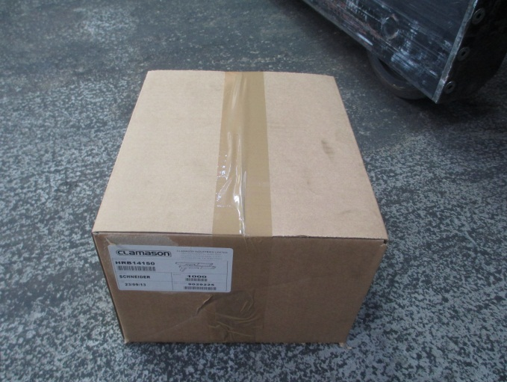 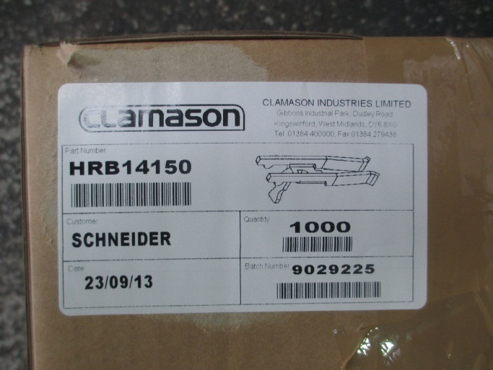

 | Author | Title | Date
 | Sharon Nicklin | Quality Engineer | 08.05.2013

